Overall
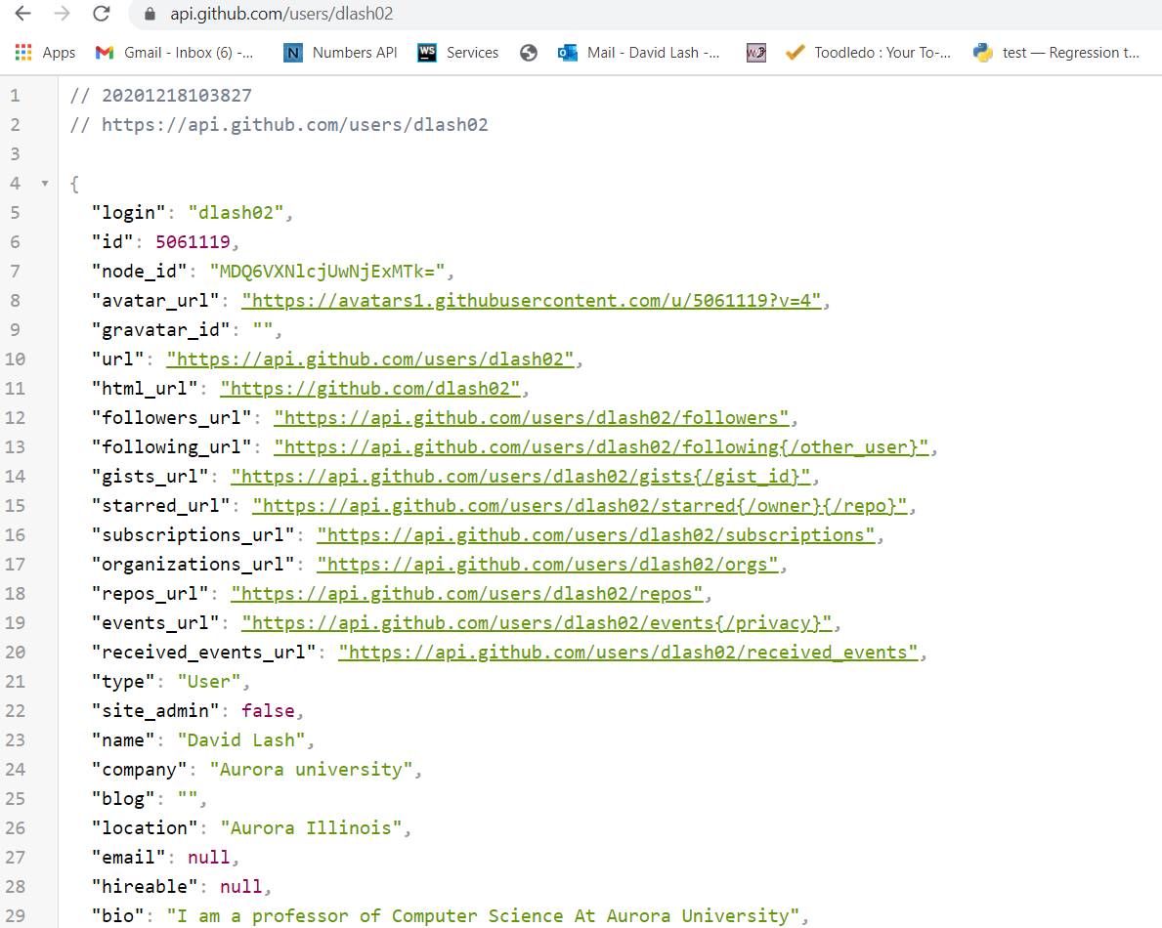
REST Verbs
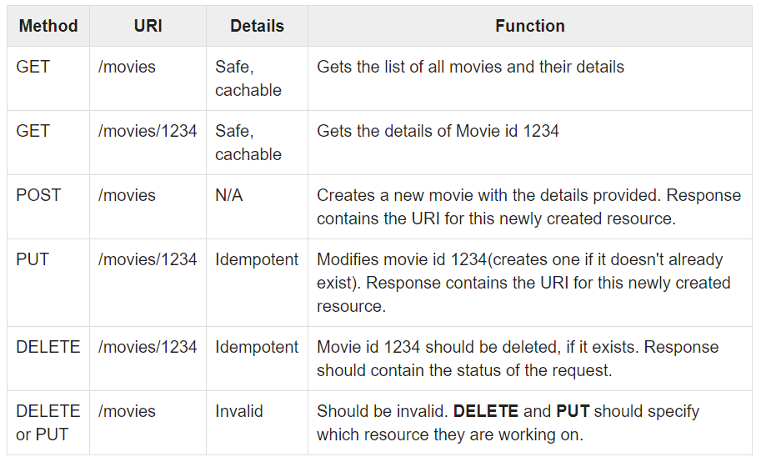

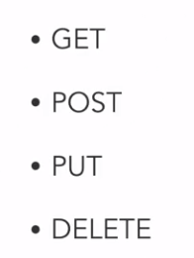

v

REST is everywhere ... https://api.github.com/users/dlash02

API Terms
Idempotency -> The state of the server will not change
Safety -> G

Types of APIs -
1. REST -> Most common API Type Representation State Transfer
- Resources are Nouns
2. SOAP - Simple Object Access Protocol -> Has a stricker set of standards to follow
- Request must follow WSDL - Web services description language
3. GraphQL -> A hybred between REST and SOAP
4. HyperMedia -> Uses REST APIs - Ask for overall resource and contains links to examples ... More of an approachs

MATH API
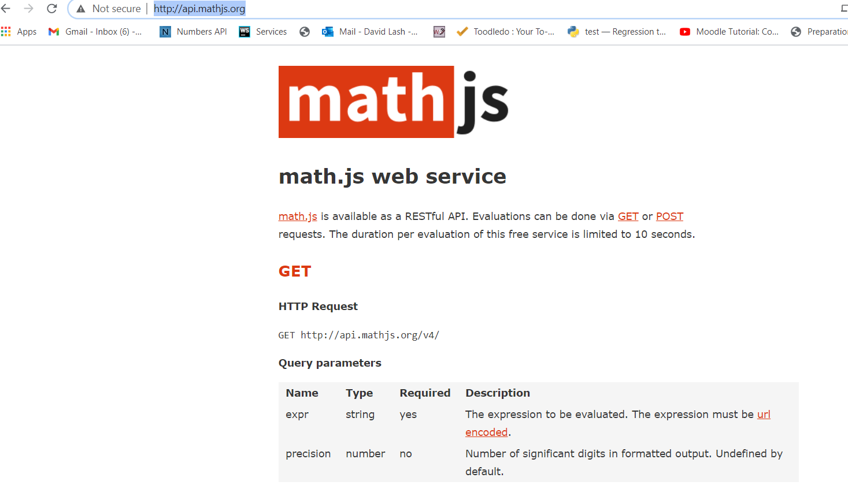
api.mathjs.org

api.mathjs.org is well documented ... generally a good source for understanding how to test an API
(Of course if dev/architect is around ... that is another source)

API Risks
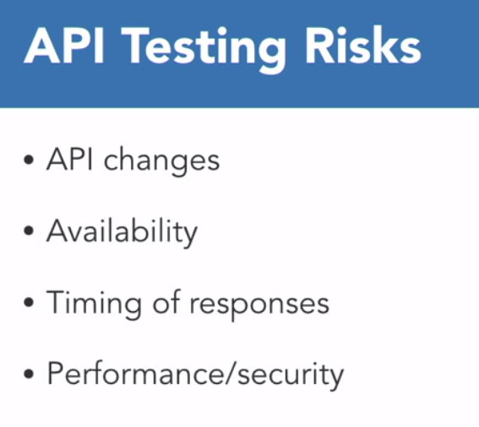

Not 'static' beasts ... new versions come out ... the overall schema may change ...
server might react different (say bug fix) ...

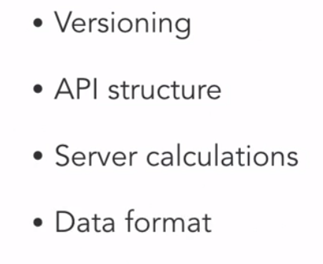

It is over the web... perms may change

netw may be slow or apacket might drop or 2 people change at same time

performance impact if a pgm sends 1000s of request / second ...
Can the API be hacked?

Postman

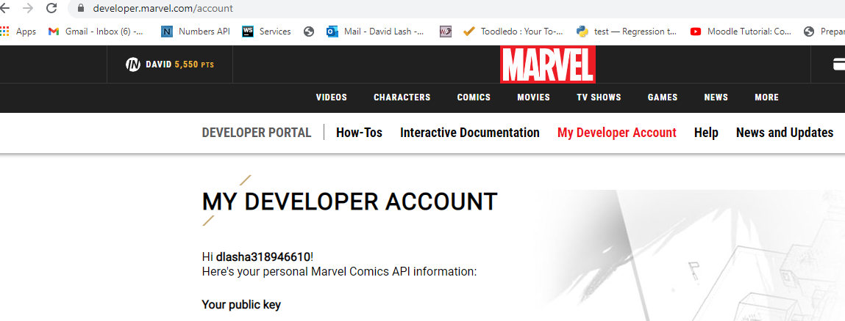
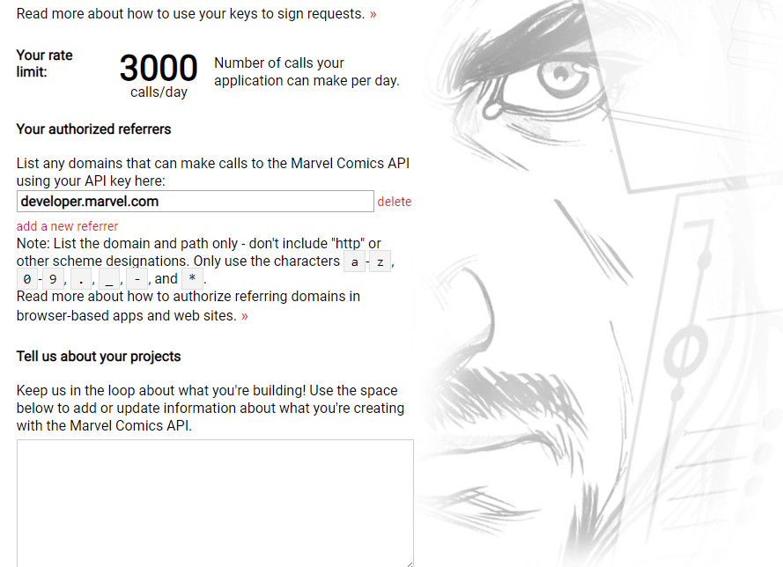

Marvel API
https://developer.marvel.com/

DeckOfCards
https://github.com/public-apis/public-apis

OMDbAPI - http://www.omdbapi.com/ Open Movie Database

Deck of Cards API
https://deckofcardsapi.com/api/deck/3tn6k4razrex/draw/?count=2

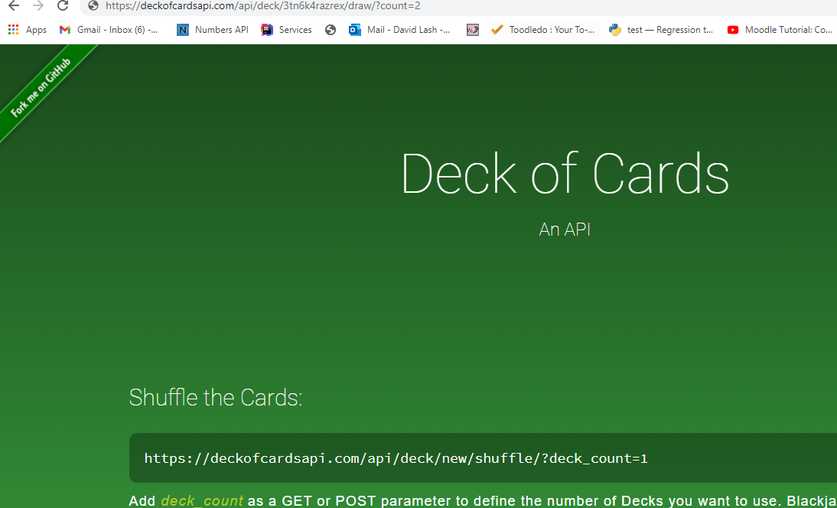
http://deckofcardsapi.com/

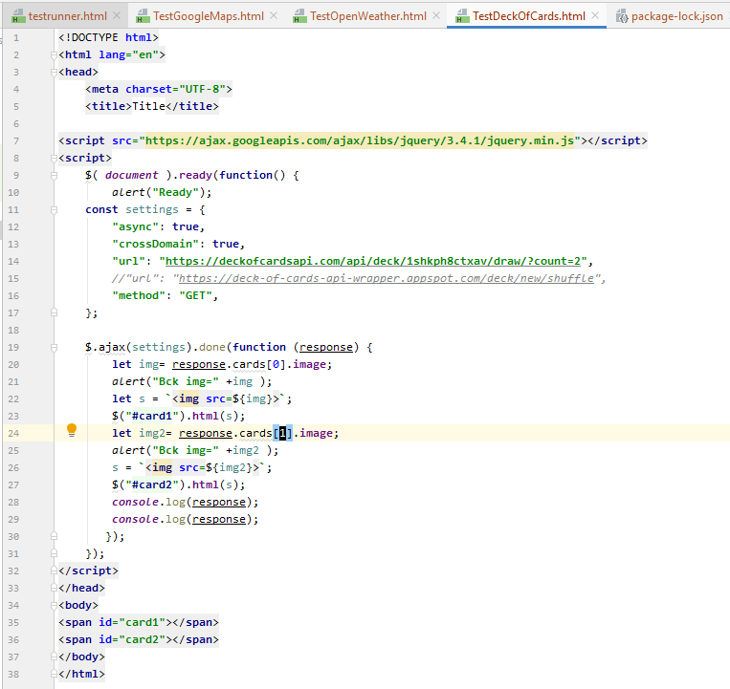

v

SuperHeros
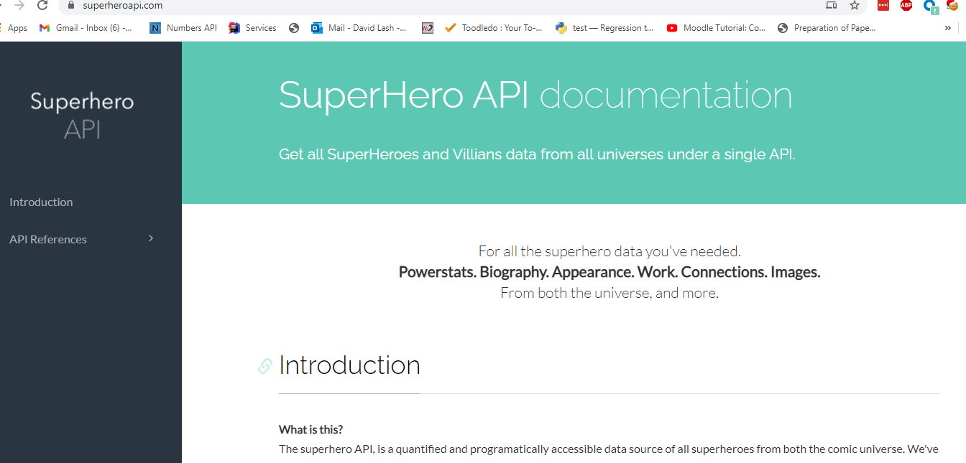
10221381439018319

https://superheroapi.com/

https://superheroapi.com/api/access-token/character-id
https://superheroapi.com/api/10221381439018319/70

CORS
https://blog.container-solutions.com/a-guide-to-solving-those-mystifying-cors-issues

CORS -> security mechanism built into (all) modern web-browsers
Blocks => http requests from your front end to any API that is not in the same “Origin” (domain, protocol, and port—which is the case most of the time).

